Sheet1
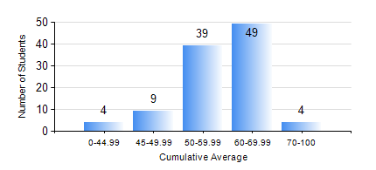
 |  |  | KWAME NKRUMAH UNIVERSITY OF SCIENCE AND TECHNOLOGY, KUMASI Department of Materials Engineering

 |  |  | BSC. METALLURGICAL ENG.

 |  |  | COMPREHENSIVE RECORD OF EXAMINATION RESULTS

 |  |  | RESULTS OF YEAR 2 FIRST SEMESTER, 2019/2020 ACADEMIC YEAR

 | Sn | Course Code |  | Course Name | Credit Hours | Min. Mark | Max. Mark | Avg. Mark | Std. Dev. | No. Passed | No. Trailed | No. (Df) | No. (I) | No. (I*) | No. Tagged(I,I*,Df) | Total
 | 0. |  |  |  |  |  |  | 0 | 0 | 0 | 0 | 0 | 0 | 0 | 0 | 6
 | 1. | CENG 291 |  | ENGINEERING IN SOCIETY | 2 | 28 | 77 | 61 | 9.08 | 96 | 3 | 0 | 0 | 0 | 0 | 99
 | 2. | GED 251 |  | MINERALOGY | 3 | 30 | 78 | 57 | 8.96 | 98 | 1 | 0 | 0 | 0 | 0 | 99
 | 3. | MATH 251 |  | DIFFERENTIAL EQUATIONS | 4 | 31 | 94 | 63 | 13.39 | 96 | 3 | 0 | 0 | 0 | 0 | 99
 | 4. | METE 251 |  | METALLURGICAL THERMODYNAMICS | 3 | 26 | 84 | 66 | 9.43 | 98 | 1 | 0 | 0 | 0 | 0 | 99
 | 5. | MSE 251 |  | TRANSPORT PHENOMENA IN MATERIALS PROCESSING I | 3 | 24 | 86 | 58 | 11.91 | 93 | 6 | 0 | 0 | 0 | 0 | 99
 | 6. | MSE 253 |  | MECHANICAL BEHAVIOUR OF MATERIALS | 2 | 22 | 85 | 57 | 13.56 | 91 | 8 | 0 | 0 | 0 | 0 | 99
 | 7. | MSE 255 |  | PRINCIPLES OF MATERIALS SCIENCE II | 2 | 32 | 80 | 60 | 9.86 | 96 | 3 | 0 | 0 | 0 | 0 | 99
 | 8. | MSE 257 |  | INDIGENOUS PROCESSING | 1 | 36 | 79 | 65 | 8.02 | 94 | 1 | 4 | 0 | 0 | 4 | 99

